MCDM
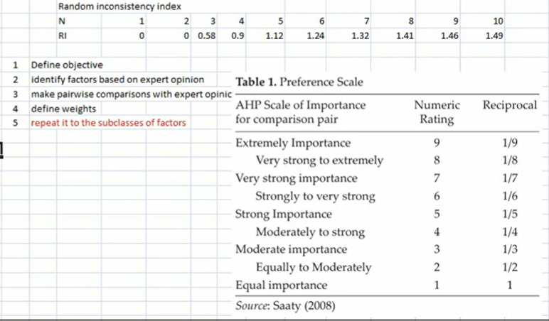
 | Rainfall | Texture | AWC | OC | Depth | Slope
Rainfall | 1 | 5 | 3 | 7 | 5 | 7
Texture | 0.2 | 1 | 3 | 5 | 2 | 5
AWC | 0.33333333333 | 0.33333333333 | 1 | 3 | 2 | 5
OC | 0.14285714286 | 0.2 | 0.33333333333 | 1 | 0.33333333333 | 3
Depth | 0.2 | 0.5 | 0.5 | 3 | 1 | 3
Slope | 0.14285714286 | 0.2 | 0.2 | 0.33333333333 | 0.33333333333 | 1
Sum | 2.019047619 | 7.2333333333 | 8.0333333333 | 19.333333333 | 10.666666667 | 24

 | Rainfall | Texture | AWC | OC | Depth | Slope | Average | Lamda(Biasness check,consistency) | CI | RCI | CR
Rainfall | 0.49528301887 | 0.69124423963 | 0.3734439834 | 0.36206896552 | 0.46875 | 0.29166666667 | 0.44707614568 | 6.9412136139 | 0.18824272277 | 1.24 | 0.1518086474
Texture | 0.099056603774 | 0.13824884793 | 0.3734439834 | 0.25862068966 | 0.1875 | 0.20833333333 | 0.21086724302 | 6.7001335428 |  |  | Accepted till < 0.1
AWC | 0.16509433962 | 0.046082949309 | 0.1244813278 | 0.15517241379 | 0.1875 | 0.20833333333 | 0.14777739398 | 6.2280055103
OC | 0.070754716981 | 0.027649769585 | 0.041493775934 | 0.051724137931 | 0.03125 | 0.125 | 0.057978733405 | 6.0985017256
Depth | 0.099056603774 | 0.069124423963 | 0.0622406639 | 0.15517241379 | 0.09375 | 0.125 | 0.10072401757 | 6.4545396435
Slope | 0.070754716981 | 0.027649769585 | 0.02489626556 | 0.01724137931 | 0.03125 | 0.041666666667 | 0.035576466351 | 6.2983863924
Sum | 1 | 1 | 1 | 1 | 1 | 1 | 1 | 6.9412136139

1 | Issue with Texture and AWC C2 and D2
 | Change D3 =1/3

MCDM (2)
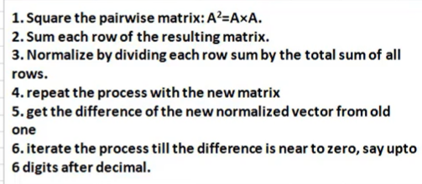
 | Rainfall | Texture | AWC | OC | Depth | Slope
Rainfall | 1 | 5 | 3 | 7 | 5 | 7
Texture | 0.2 | 1 | 0.33333333333 | 3 | 2 | 5
AWC | 0.33333333333 | 3 | 1 | 3 | 2 | 5
OC | 0.14285714286 | 0.33333333333 | 0.33333333333 | 1 | 0.33333333333 | 3
Depth | 0.2 | 0.5 | 0.5 | 3 | 1 | 3
Slope | 0.14285714286 | 0.2 | 0.2 | 0.33333333333 | 0.33333333333 | 1
Sum | 2.019047619 | 10.033333333 | 5.3666666667 | 17.333333333 | 10.666666667 | 24

 | Rainfall | Texture | AWC | OC | Depth | Slope | Average | Lamda(Biasness check,consistency) | CI | RCI | CR
Rainfall | 0.49528301887 | 0.49833887043 | 0.55900621118 | 0.40384615385 | 0.46875 | 0.29166666667 | 0.4528151535 | 6.5862114468 | 0.13228947326 | 1.24 | 0.10668505908
Texture | 0.099056603774 | 0.099667774086 | 0.062111801242 | 0.17307692308 | 0.1875 | 0.20833333333 | 0.13829107259 | 6.3729720225 |  |  | Accepted till < 0.1
AWC | 0.16509433962 | 0.29900332226 | 0.18633540373 | 0.17307692308 | 0.1875 | 0.20833333333 | 0.203223887 | 6.6614473663
OC | 0.070754716981 | 0.033222591362 | 0.062111801242 | 0.057692307692 | 0.03125 | 0.125 | 0.063338569546 | 6.1121052344
Depth | 0.099056603774 | 0.049833887043 | 0.093167701863 | 0.17307692308 | 0.09375 | 0.125 | 0.10564751929 | 6.3137794158
Slope | 0.070754716981 | 0.019933554817 | 0.037267080745 | 0.019230769231 | 0.03125 | 0.041666666667 | 0.036683798074 | 6.1608496724
Sum | 1 | 1 | 1 | 1 | 1 | 1 | 1 | 6.6614473663

1 | Issue with Texture and AWC C2 and D2
 | Change D3 =1/3

 |  |  |  |  |  |  | SUM | Normalize Vector | Difference
 | 6 | 25.233333333 | 13.9 | 55.333333333 | 30.666666667 | 90 | 221.13333333 | 0.46183804341
 | 2.053968254 | 6 | 4.2666666667 | 16.066666667 | 8.3333333333 | 28.066666667 | 64.787301587 | 0.13530859483
 | 2.8095238095 | 10.666666667 | 6 | 25 | 14.333333333 | 42.333333333 | 101.14285714 | 0.21123734963
 | 0.95873015873 | 3.1476190476 | 1.973015873 | 6 | 3.7142857143 | 11.333333333 | 27.126984127 | 0.056654838436
 | 1.5238095238 | 5.1 | 3.3666666667 | 11.4 | 6 | 21.4 | 48.79047619 | 0.10189914709
 | 0.50666666667 | 1.9920634921 | 1.173015873 | 3.8666666667 | 2.2920634921 | 6 | 15.83047619 | 0.033062026606
 |  |  |  |  |  |  | 478.81142857

 | 272.26074074 | 960.92063492 | 592.45164021 | 2114.5155556 | 1189.3206349 | 3660.0266667 | 8789.495873 | 0.46074864434 | 0.0010893990656
 | 78.957375661 | 282.32190476 | 172.42814815 | 616.64402116 | 348.15068783 | 1062.7015873 | 2561.2037249 | 0.13425925231 | 0.0010493425143
 | 122.88169312 | 435.01481481 | 267.8021164 | 953.92698413 | 536.93544974 | 1650.3015873 | 3966.8626455 | 0.207944416 | 0.0032929336318
 | 34.915192744 | 124.52846561 | 76.231322751 | 275.11195767 | 154.45925926 | 473.6389418 | 1138.8851398 | 0.059700782823 | -0.0030459443874
 | 59.991873016 | 214.07492063 | 130.93587302 | 469.97079365 | 264.87873016 | 808.80507937 | 1948.6572698 | 0.1021493392 | -0.00025019211013
 | 20.667009322 | 73.062137566 | 44.963936508 | 161.8962963 | 90.818201058 | 280.04063492 | 671.44821567 | 0.03519756532 | -0.0021355387141
 |  |  |  |  |  |  | 19076.552869

 |  |  | Try to do 0 till 4 dicimal place

 |  |  |  |  |  |  | Wt | AW | AW/W
 | 1 | 5 | 3 | 7 | 5 | 7 | 0.58532957359 | 2.3990513332 | 4.0986333878
 | 0.2 | 1 | 0.33333333333 | 3 | 2 | 5 | 0.094057728183 | 0.69534293936 | 7.3927252209
 | 0.33333333333 | 3 | 1 | 3 | 2 | 5 | 0.17432956797 | 1.0777220509 | 6.1820955755
 | 0.14285714286 | 0.33333333333 | 0.33333333333 | 1 | 0.33333333333 | 3 | 0 | 0.34054704394 | #DIV/0!
 | 0.2 | 0.5 | 0.5 | 3 | 1 | 3 | 0.10176872642 | 0.48657148179 | 4.7811493657
 | 0.14285714286 | 0.2 | 0.2 | 0.33333333333 | 0.33333333333 | 1 | 0.044514397524 | 0.21573327608 | 4.8463707941
 |  |  |  |  |  |  | 0.9999999937 |  | #DIV/0!

 |  |  |  |  |  |  |  | Principal I.V. is to mimimize this variance

